Sheet1
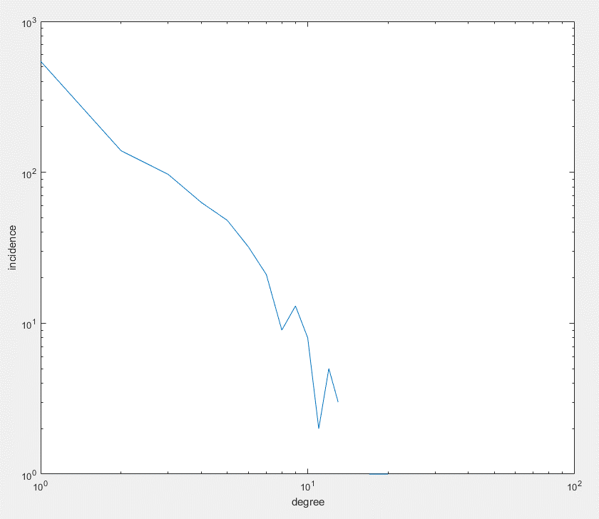
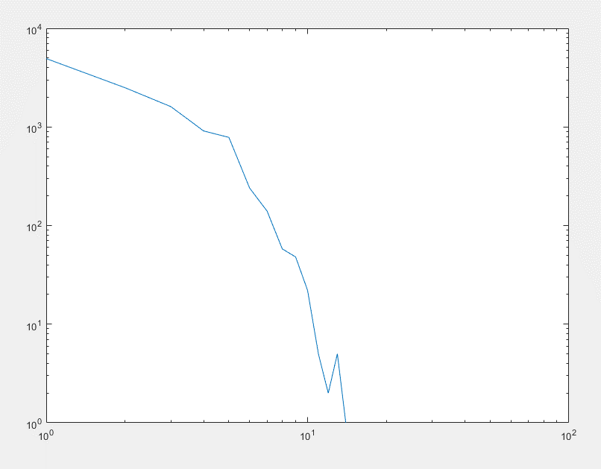
density | charpath | avg. Node degree | circuit rank | diameter
4.40E-04 | 2.66E+01 | 4.9566 | 16645 | 107 | 2017-02-04-133430_asn_nw_11259_nj_27903_seed_042_avl_30.00_disp_20.00_beta_3.00_scale_700
0.0031605733578 | 17.183291699 | 3.1194331984 | 334 | 46 | 2017-02-06-133734_asn_nw_00988_nj_01541_seed_042_avl_15.00_disp_20.00_scale_00700_beta_3.00
0.03711 | 7.4133 | 2.7466 | 29 | 20 | 2017-02-06-124242_asn_nw_00075_nj_00103_seed_042_avl_15.00_disp_10.00_scale_00700_beta_3.00
0.059403229103 | 3.1094379726 | 41.522851429 | 13834 | 7 | 2016-09-08-155044_asn_nw_00700_nj_14533_seed_042_avl_100.00_disp_10.00
0.0013634465699 | 15.735119679 | 20.994352825 | 146248 | 57 | 2017-02-13-103506_asn_nw_15399_nj_161646_seed_042_avl_100.00_disp_20.00_gns_03.00_cdisp_1000.00

